SCREENSHOTS
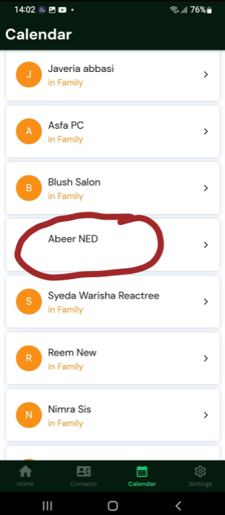
2- | No notification received when the toggle time is set to 1 PM and the app is closed.

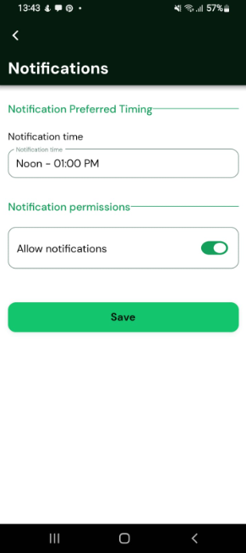

3- | "INVALID TYPE PROVIDED" error occurs when adding a user to a crew.

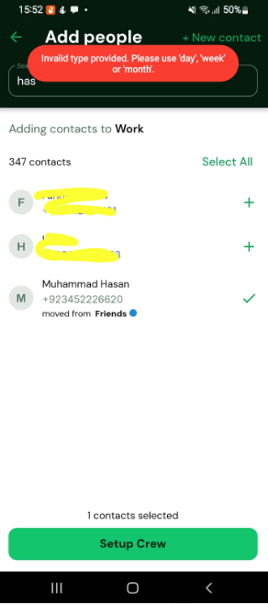

4- | Crew display picture (DP) color appears and disappears intermittently.
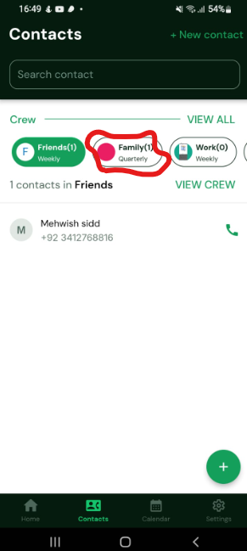
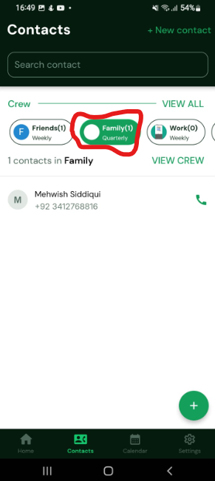

5- | Crew display picture (DP) keeps loading continuously when viewing the crew.
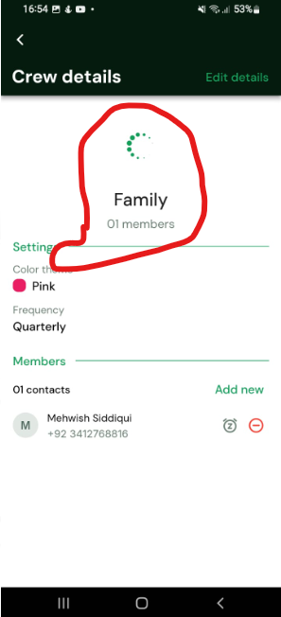

7- | When editing a contact and selecting a crew at the bottom, the crew DP does not update.
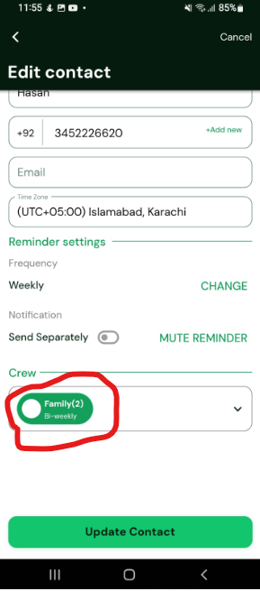

9- | When make changes in any contact and save it, it first shows toast of Contact Updated then shows toast of Contact Not Found
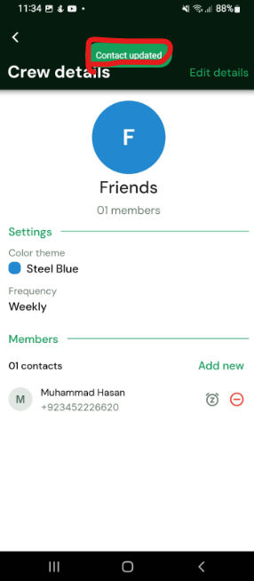
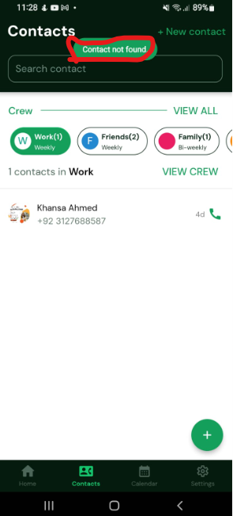

11- | Last Name is NOT properly removed when editing a crew contact.

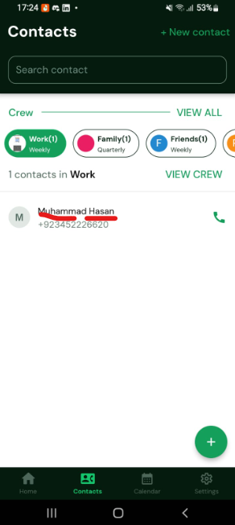
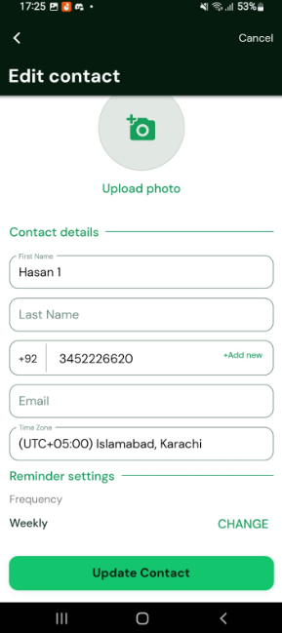
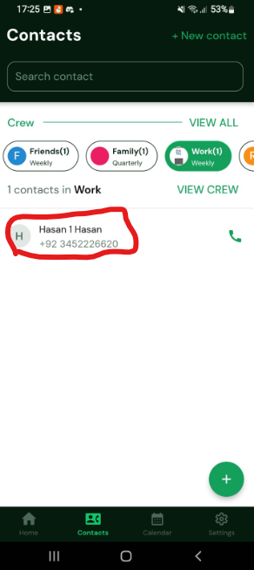
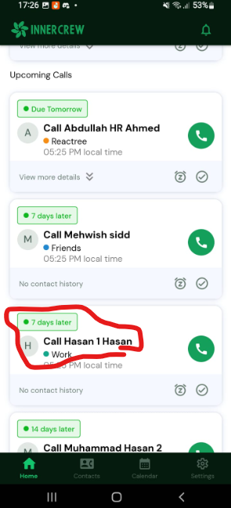

12- | When Login again with already registered Account with contacts added, it first shows the screen "Seems like you haven't added any contacts yet" then redirect to the Home Screen

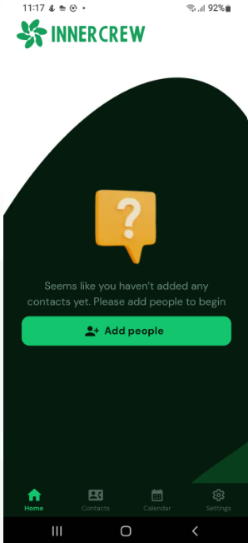

13- | Static color for the group tag in the contact summary on the Home screen.

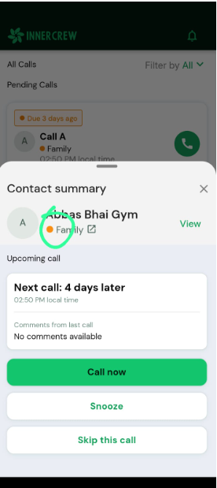

16- | Black color floating button of Add your first contact is appearing on Add Contact screen

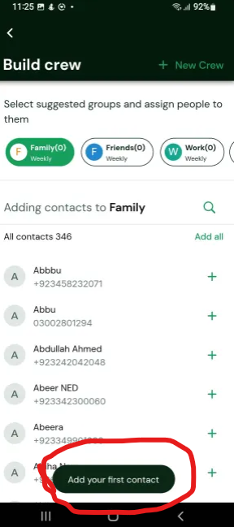

17 & 18 | Sticky Email Copy Button & Password Masking Button Behavior

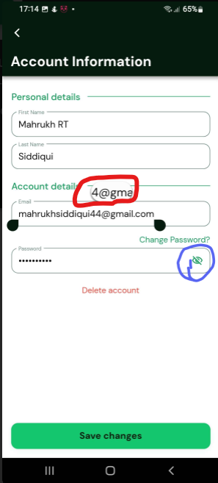

19 | Contact Duplication Across Accounts and Grey Screen Display

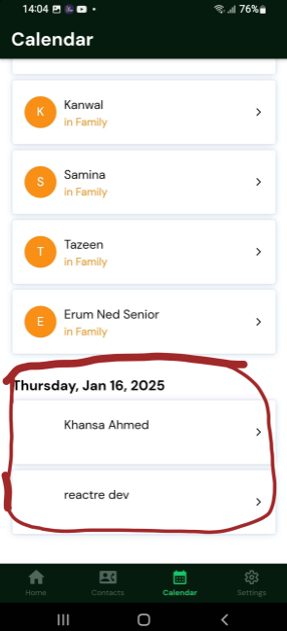



20 | Contacts Saved with Incorrect Formatting and Grey Screen on Tap

